Credentials
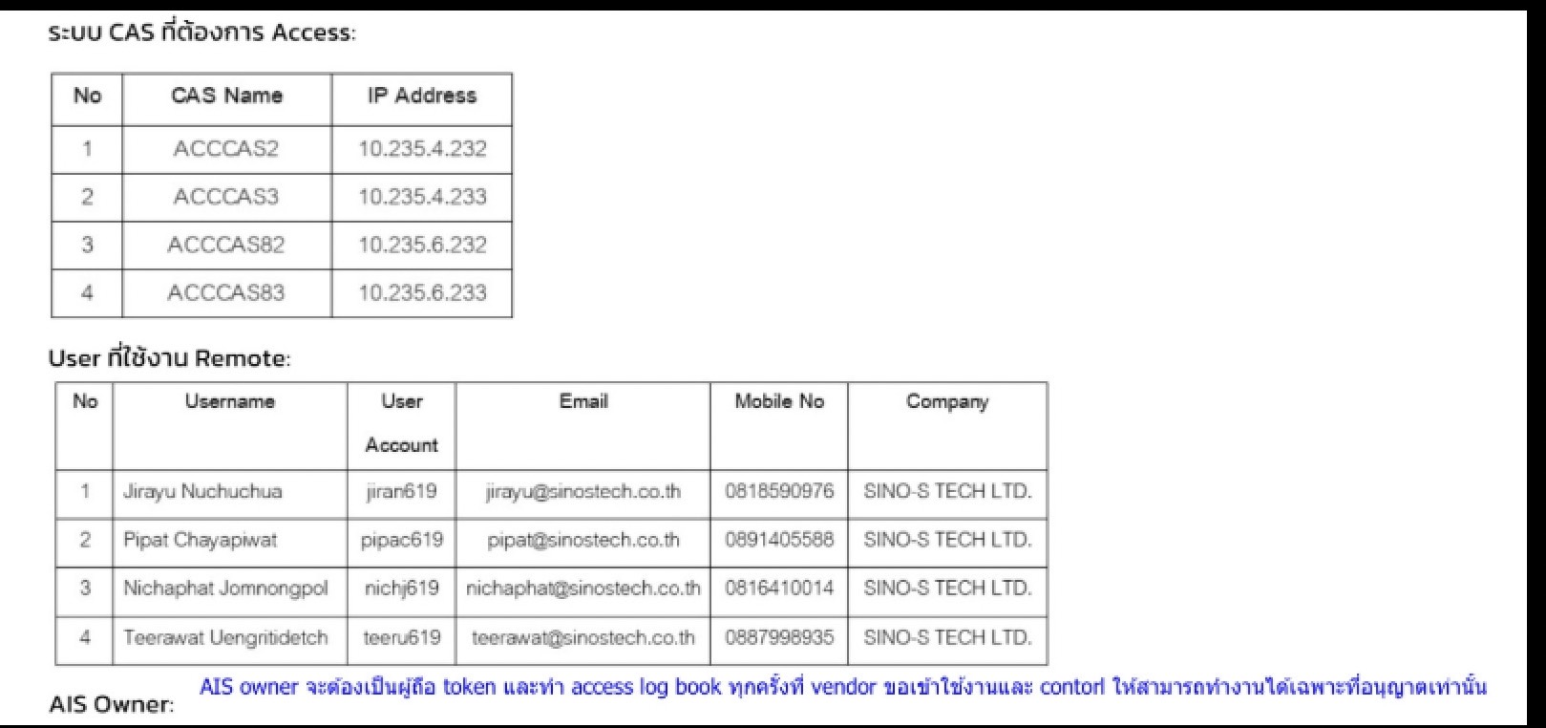
VPN Username | รายชื่อ | Registered Email | CAS Password | VPN Password | New Expiry Date | Anydesk | Owner | Server Access | Token Bearer: 0827855687 คุณออม Secondary Contact |  | Pass Anydesk
jiran619 | Jirayu Nuchuchua | jirayu@sinostech.co.th | Ais@2512202401P@ssw0rd | brukTUM@029335535 | 2025-01-08 | 1709897289 | TUM | EA พี่พรใช้ | Token Bearer: 095-013-9543 Khun Eye refer to CR number
pipac619 | Pipat | pipat@sinostech.co.th | p@ZZw0rdN!cew0rd202411 | U82e8847f#m7 | 2025-01-08 | 1007136664 | RPA | Discovery Search Grid #1 | Token Bearer: 095-013-9543 Khun Eye refer to CR number
kearn619 | Kearkchai Nuanggunta | kearkchai@sinostech.co.th |  | U82e8847f#m8 | 2025-01-08 | 289039785 | Engineer team+RPA | K. Kwan | Token Bearer: Bundit Bunkamjon 0932347300
tanam619 | Tanapon Maneewong | tanapon@sinostech.co.th | p@ZZw0rdN!cew0rd202410 | T5da3938f@m1 | 2025-01-29 | 1610692084 | BaiAoh | QC/Web | Token Bearer: Bundit Bunkamjon 0932347300 |  | N1ceword
issaa619 | Issara Authong | issara@sinostech.co.th | p@ZZw0rdN!cew0rd202501 | Xe3271196#j2 | 2025-03-08 | 1911783290 | RPA | DEF_DB | Token Bearer: น้องตัง 0956144137 |  | N1ceword
phorp619 | พรรวินท์ ภัทรเอนก | Phornrawin@sinostech.co.th | p@ZZw0rdN!cew0rd202412 | X1a3ddcc8#b7 | 2024-12-31 | 1878251801 | Earn | Application Server | ชนานันท์ แสงจันทร์ ออม 0827855687
nichj619 | Nichaphat Jomnongpol | nichaphat@sinostech.co.th |  | Cda8588e2@q6 | 2025-01-27
wilas619 | วิลัยภรณ์ ศิริงาม | Wilaipond@sinostech.co.th | p@ZZw0rdN!cew0rd202411 | M9d328218#s7 | 2024-12-24 | 1592321213 | Paula+Custom Report Dev+ P' Kai | EA พี่พรใช้ | Token Bearer: น้องตัง 0956144137 |  | N1ceword
chaii619 | ชัยวัฒน์ เอี่ยมสมบูรณ์ | chaiwati@sinostech.co.th |  | He7a84587#t6 | 2025-02-06
lapas619 | ลภัสรดา ศรีนาค | lapasrada@sinostech.co.th |  | Qf85da253#w7 | 2025-02-06
DO NOT ATTEMPT TO CONNECT VPN MORE THAN 2 TIMES (TAKE A DEEP BREATH, GIVE IT SOME TIME (3 MINS BREAK) THEN TRY AGAIN)
 |  | link unlock token | https://selfserv.vasco.ais.co.th/selfmgmt/selfunlock |  | https://newovms.ais.co.th/ovms/outsource/outsource-profile |  |  | https://newovms.ais.co.th/ovms/outsource/outsource-profile |  | 371117
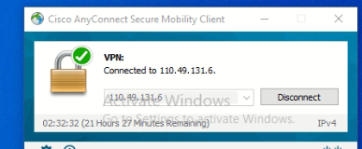
VPN and CAS Password must be the same VDO Demo=> https://sinostechth.sharepoint.com/:v:/s/nexidiateam/ETebYTJMplFIuNP7GnBM1uEBarEBvHdhPdq-a4zHGSykpw?e=W6Zbwd |  |  |  |  |  | Pass Anydesk N1ceword
Step |  | How to access | Example | Remark
1 |  | Open anydesk | 1610692084
2 |  | Input anydesk Password | N1ceword
3 |  | Click Cisco Connect
4 |  | Check VPN name | tanam619
5 |  | Copy VPN password | Ais@0205202401(Token)
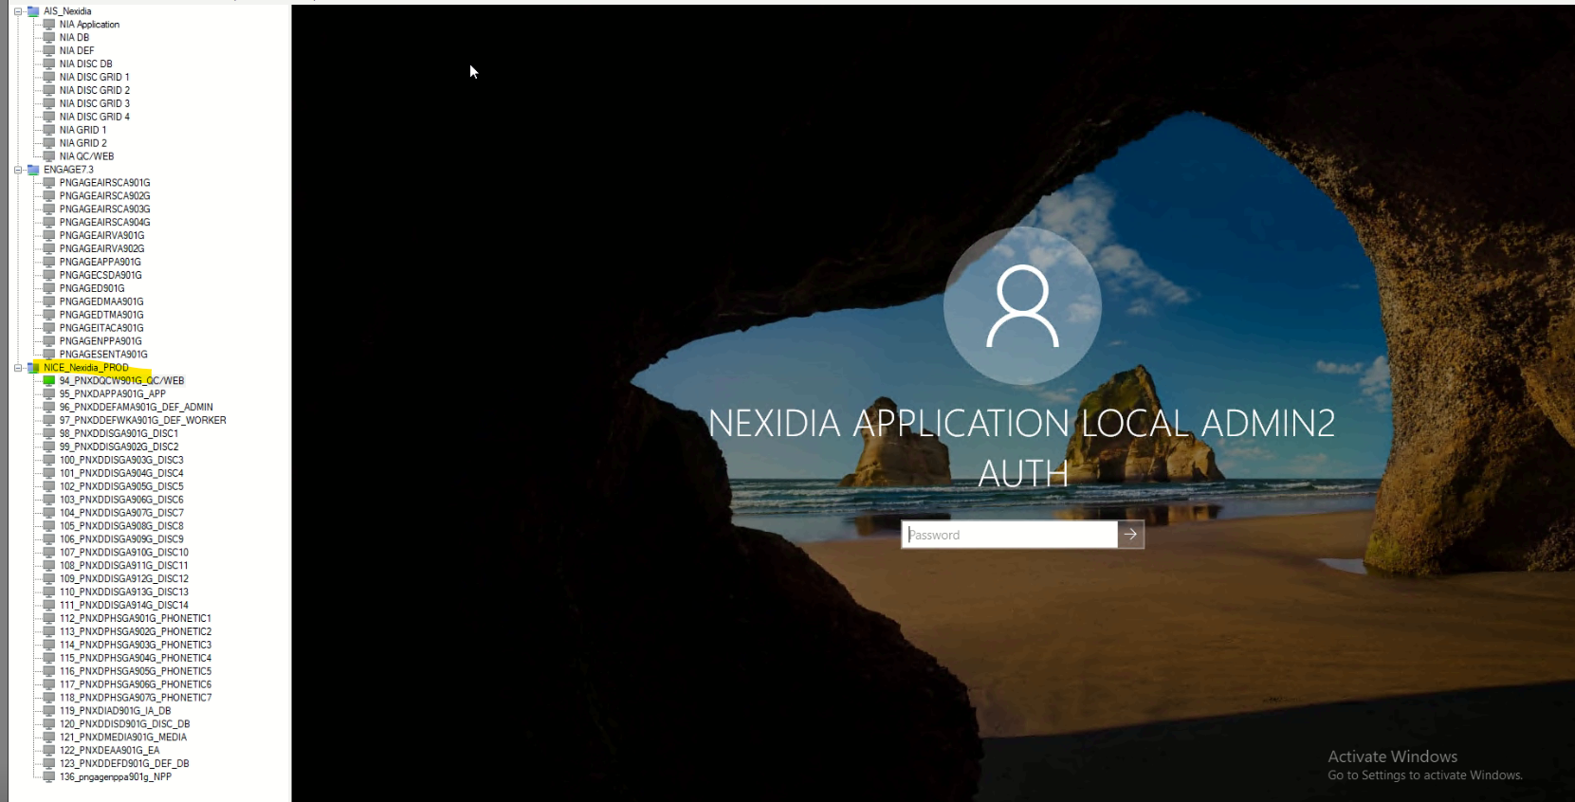
6 |  | Text or call to Token bearer
7 |  | Input VPN password | Ais@0205202401123456
8 |  | Connect Remote Desktop | 10.235.4.232
9 |  | Select Server
10 |  | Click Reconnect | if password require=> CAS PASSWORD | p@ZZw0rdN!cew0rd202407

Metadata Mapping
